Stakeholder
STAKEHOLDER ANALYSIS

Stakeholder Analysis Chart
 | STAKEHOLDER NAME | POWER TYPE | POWER | INTEREST
0 | Don Quixote | COERCIVE | 10 | 10 | Stakeholder!B28
 | Sancho Panza | LEGITIMATE | 9 | 7 | Stakeholder!B29
 | Cide Hamete | EXPERT | 7 | 6 | Stakeholder!B31
 | Dulcinea El Toboso | REFERENT | 9 | 1 | Stakeholder!B30
 | Gines de Pasamonte | EXPERT | 1 | 1 | Stakeholder!B31
 | Juan Haldudo | COERCIVE | 2 | 3 | Stakeholder!B28
 | Rocinante | LEGITIMATE | 8 | 3 | Stakeholder!B29
 | Pedro Perez | LEGITIMATE | 1 | 7 | Stakeholder!B29
 | Alonso Quijano | LEGITIMATE | 3 | 4 | Stakeholder!B29
 | Miguel Cervantes | REWARD | 2 | 9 | Stakeholder!B27
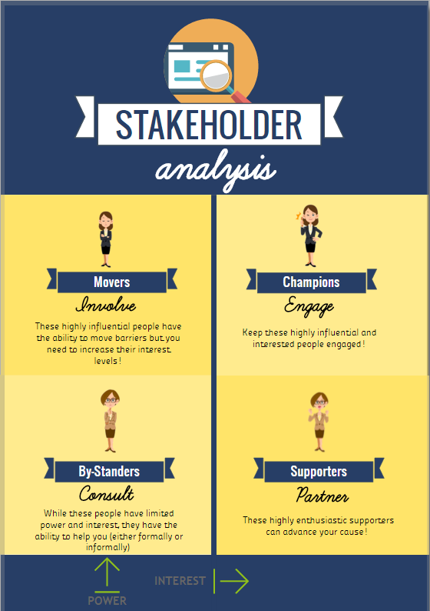
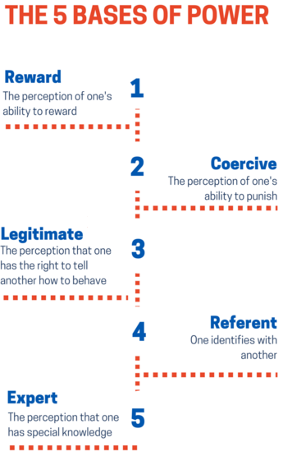
 | POWER TYPE | Stakeholder!B26
 | REWARD | Stakeholder!B27
 | COERCIVE | Stakeholder!B28
 | LEGITIMATE | Stakeholder!B29
 | REFERENT | Stakeholder!B30
 | EXPERT | Stakeholder!B31

